TO DO LIST HEAD
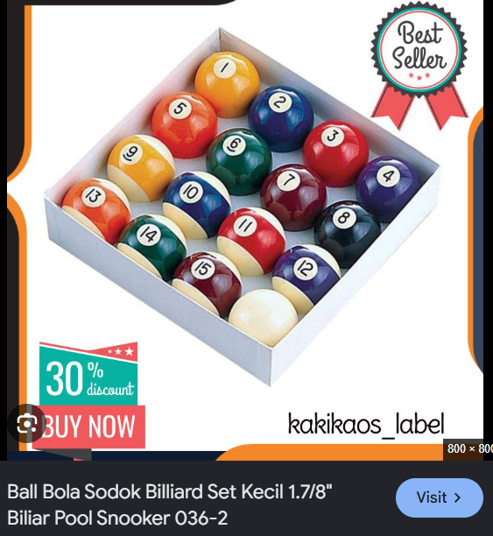

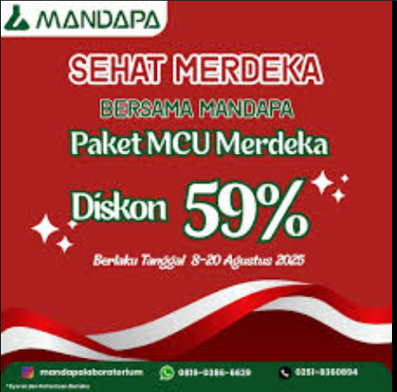


ACUAN SATUAN BOTOL
KATEGORI | QTY | NOTES
TOLBO | 1106 | OWALA TWIST ARMY LECET (TANYA SURYO)
BOTOL SULTAN | 1098 | SEMUA HYDRO FLASK ABISIN DULU
TUMBELER | 967 | SEMUA STANLEY (ABISIN LABUBU, TRUS GAS IN STANLEY DARI NANAS)
BOTOL GOOD | 575 | SANRIO MIX MIX
BOTOL RDM | 465 | SANRIO MIX MIX
IDUY | 343 | CROCS ANAK
8 RANSEL SULTAN | 85 | RANSEL RANDOM AGAK TEBEL GAPAPA ASAL JGN TUMI DAN TNF
9 TAS SULTAN | 24 | TAS KOTAK RANDOM

